Assessment GL_Use Case
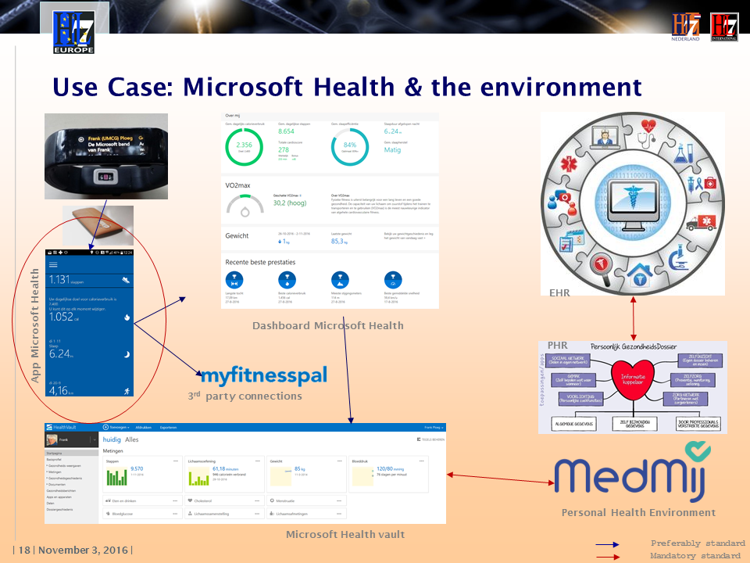

USE CASE

The Assessement was on the Microsoft Health App.
This consists of the app on the phone (circled in red) and the dashboard view of that app.

The use case was picked for no other reason than that I'm familiar with this app - using it myself - and it has possible connection with an EHR

Remarks from the audience based on the draft guidelines and the trial assessment:
- minimal level of security: do we provide standards on that
- Way too many GL in it's current form: should be subdivided in such a way it's easy to see at a glance which of the GL are relevant for assessement of a particular app
- Why assessment on usability?

