definitions
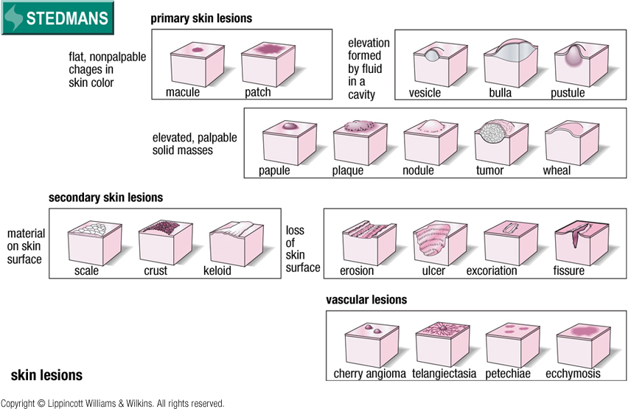
Source | Search term | Defined term | definition
Steadman's | assessment | physical examination | examination by means such as visual inspection, palpation, percussion, and auscultation to collect information for diagnosis.
Steadman's | assessment | examination | 1. Any investigation or inspection made for the purpose of diagnosis; usually qualified by the method used.
Steadman's | assessment | examination | 2. A method of evaluation of skills or knowledge after receiving instruction in a given field.
Steadman's | evaluation | assessment | 1. Evaluation of the patient using selected skills of history-taking; physical examination, laboratory, imaging, and social evaluation, to achieve a specific goal.
Steadman's | evaluation | assessment | 2. Appraisal or analysis of conditions, disorders, data, or a patient's overall state.
SKMT | assessment | assessment | A measurement, evaluation or judgment for a study variable pertaining to the status of a subject.
SKMT | assessment | patient assessment | systematic collection and review of patient-specific data
SKMT | evaluation | evaluation | action that assesses the value of something
MeSH | examination | physical examination | Systematic and thorough inspection of the patient for physical signs of disease or abnormality.
NEW |  | physical examination | Inspection of the patient through direct sensory perception, including visual inspection, palpation, percussion, and auscultation | Is a qualifying exam for a candidate Navy Seal "for signs of disease"? Use MeSH.
NEW |  | history taking | Gathering of information relevant to the patient's health by interview | Interviewee left unspecified
SKMT | history | patient history | A learning or knowing by inquiry; the knowledge of facts and events, so obtained; hence, a formal statement of such information; a narrative; a description; a written record; as, the history of a patient's case.
Steadman's | lesion | lesion | A pathologic change in the tissues.
Steadman's | wound | wound | Trauma to any of the tissues of the body, especially that caused by physical means and with interruption of continuity.

